Data Individual
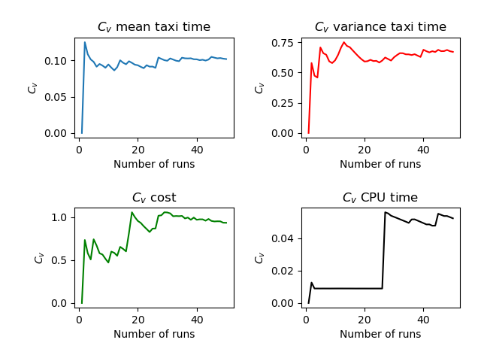
 | Run | Number of Aircraft | Maximum Spawn Time | Mean Taxitime | Variance Taxitime | Variance Cost | CPU Time
0 | 1 | 5 | 5 | 8.8 | 1.36 | 0.64 | 3.728
1 | 2 | 5 | 5 | 9.3 | 2.56 | 0.04 | 3.573
2 | 3 | 5 | 5 | 9.3 | 3.96 | 0.04 | 3.566
3 | 4 | 5 | 5 | 9.5 | 3.8 | 0.04 | 3.577
4 | 5 | 5 | 5 | 10.6 | 1.14 | 0.54 | 3.63
5 | 6 | 5 | 5 | 8.4 | 6.74 | 0.06 | 3.586
6 | 7 | 5 | 5 | 9.7 | 7.16 | 0.6 | 3.62
7 | 8 | 5 | 5 | 9.4 | 5.54 | 0.06 | 3.579
8 | 9 | 5 | 5 | 9.9 | 1.64 | 0.04 | 3.59
9 | 10 | 5 | 5 | 9.9 | 4.24 | 0.04 | 3.586
10 | 11 | 5 | 5 | 8.5 | 3.4 | 0.04 | 3.582
11 | 12 | 5 | 5 | 9.7 | 5.96 | 0.76 | 3.66
12 | 13 | 5 | 5 | 9.2 | 2.86 | 0.06 | 3.585
13 | 14 | 5 | 5 | 7.8 | 6.96 | 0 | 3.57
14 | 15 | 5 | 5 | 9.2 | 6.16 | 0 | 3.557
15 | 16 | 5 | 5 | 9 | 6 | 0.64 | 3.58
16 | 17 | 5 | 5 | 9.1 | 2.84 | 0.04 | 3.619
17 | 18 | 5 | 5 | 9.9 | 8.64 | 0.6 | 3.626
18 | 19 | 5 | 5 | 9 | 5.7 | 0.94 | 3.589
19 | 20 | 5 | 5 | 9.6 | 1.94 | 0.06 | 3.591
20 | 21 | 5 | 5 | 9.5 | 5.2 | 0.04 | 3.632
21 | 22 | 5 | 5 | 10.4 | 6.64 | 0.64 | 3.607
22 | 23 | 5 | 5 | 10.4 | 1.84 | 0 | 3.609
23 | 24 | 5 | 5 | 9.1 | 4.24 | 0.04 | 3.612
24 | 25 | 5 | 5 | 7.9 | 3.24 | 0.04 | 3.578
25 | 26 | 5 | 5 | 10.6 | 1.04 | 0 | 3.585
26 | 27 | 5 | 5 | 9.3 | 9.76 | 0.16 | 3.632
27 | 28 | 5 | 5 | 9.1 | 9.24 | 0.6 | 3.649
28 | 29 | 5 | 5 | 9.6 | 3.34 | 0.06 | 3.605
29 | 30 | 5 | 5 | 10.1 | 7.04 | 0.04 | 4.22
30 | 31 | 5 | 5 | 10.6 | 0.54 | 0.06 | 3.565
31 | 32 | 5 | 5 | 8.8 | 8.56 | 0 | 3.577
32 | 33 | 5 | 5 | 9.3 | 3.76 | 0.04 | 3.597
33 | 34 | 5 | 5 | 10 | 5.2 | 0 | 3.605
34 | 35 | 5 | 5 | 8 | 4.1 | 0.06 | 3.6
35 | 36 | 5 | 5 | 10.1 | 4.44 | 0.04 | 3.588
36 | 37 | 5 | 5 | 11.1 | 2.84 | 0.6 | 3.679
37 | 38 | 5 | 5 | 9.4 | 5.84 | 0.64 | 3.59
38 | 39 | 5 | 5 | 8.5 | 4.2 | 0.04 | 3.623
39 | 40 | 5 | 5 | 9.5 | 3.6 | 0.04 | 3.595
40 | 41 | 5 | 5 | 8.4 | 5.04 | 0 | 3.595
41 | 42 | 5 | 5 | 8.5 | 7 | 0.04 | 3.561
42 | 43 | 5 | 5 | 8.3 | 1.36 | 0.04 | 3.596
43 | 44 | 5 | 5 | 9.3 | 4.16 | 0.04 | 3.574
44 | 45 | 5 | 5 | 9.3 | 5.76 | 0.04 | 3.603
45 | 46 | 5 | 5 | 10 | 3.2 | 0 | 3.603
46 | 47 | 5 | 5 | 9.1 | 2.64 | 0.6 | 3.629
47 | 48 | 5 | 5 | 10.4 | 4.64 | 0.96 | 3.696
48 | 49 | 5 | 5 | 9.6 | 4.74 | 0.34 | 3.6
49 | 50 | 5 | 5 | 9.6 | 4.24 | 0.64 | 3.646
50 |  | 5 | 5 | 9.392 | 4.5208 | 0.2216 | 3.6169

